ORDERFORM
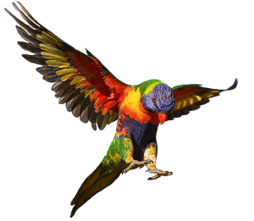
Zwijnenberg Bird-Farm
De Mute 11 |  |  | Telefoon: | 0031642614252
7683 XS |  |  | Telephone for urgent matters
Den Ham, The Netherlands |  |  | E-mail: | info@bird-farm.nl
 |  |  | Email prefered
Order form, make your own quotation

Clientreference: |  |  | NAME (CITES) Name: | Fill in your name
Date: |  |  | Company name: | Fill in your company name
Last edited: |  |  | Adress | Fill in your adress
Proposed shipping date: |  |  | Adress | Fill in your adress
 |  |  | Postcode, Place | Fill in your postcode and place
 |  |  | Country | Country
 |  |  | Telephone | Fill in your telephone (second telephonenumber)
 |  |  | Emailadress | Fill in your emailadress

Species latin name according to cites.org | Mutation(s) | Additional information | Orderamount per spiecies | Price EACH | TOTAL | CITES Species yes/no | CITES 1
 |  |  |  | € 10.00 | € 0 | no
 |  |  |  |  | € 0 | yes
 |  |  |  |  | € 0 | yes
 |  |  |  |  | € 0 | no
 |  |  |  |  | € 0
 |  |  |  |  | € 0
 |  |  |  |  | € 0
 |  |  |  |  | € 0
 |  |  |  |  | € 0
 |  |  |  |  | € 0
 |  |  |  |  | € 0
 |  |  |  |  | € 0
 |  |  |  |  | € 0
 |  |  |  |  | € 0
 |  |  |  |  | € 0
 |  | Total amount of birds: | 0 |  |  |  | Total Cites 1
 |  |  | Total CITES species: |  |  | 2 | 0
 |  |  | Transport quoted by airline/agent
 |  |  | Total costs CITES application:
TERMS: according to the terms on: www.zb-f.nl, no exceptions made. |  |  | EXPORT Health Certificate costs | 125,- |  | € 125.00

 |  |  | TOTAL CITES/HC |  |  | € 125.00 | € 0.00
 |  |  | TOTAL ORDER AMOUNT |  | € 0 | € 125.00
All right reserved to Zwijnenberg Bird-Farm
This is an indicational quotation. Zwijnenberg Bird-Farm keeps the right to recalculate.

